資料介紹 info
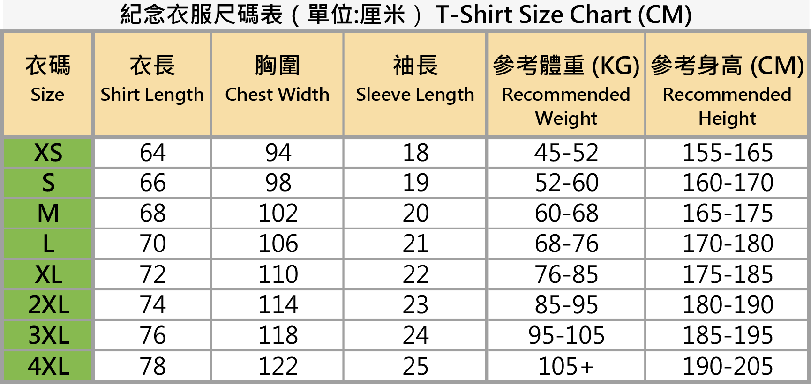
Shuttle Bus接駁車 前往黑沙水庫郊野公園
站點 Station | 集合位置 meeting location | 車輛出發時間 Time
關閘 Border Gate | 7:45於關閘入境門口 7:45 at the immigration gate | 8:00:00
港珠澳大橋 - 澳門口岸 Hong Kong–Zhuhai–Macao Bridge (Macao Port) | 7:45於西區地面層（上客區） 7:45 at Ground floor of the west zone (pick-up area) | 8:00:00
氹仔奧林匹克運動場 Taipa Olympic Stadium | 8:15於運動場道近旗杆位置 8:15 on Sports Ground Road near the flagpole | 8:30:00
註: 敬請提早15分鐘集合，由工作人員帶領至上車位置 Note: Please gather 15 minutes early and be led to the pick-up location by the staff

項目分組 Categories
參賽組別 Categories | 出生年份 Born Between | 相對應年齡 Age
4.6公里男子A組 4.6K Man Category A | 1995/11/9– 2012/11/8 | 14-30
4.6公里男子B組 4.6K Man Category B | 1955/11/9 - 1995/11/8 | 31-70
4.6公里女子A組 4.6K Woman Category A | 1995/11/9– 2012/11/8 | 14-30
4.6公里女子B組 4.6K Woman Category B | 1955/11/9 - 1995/11/8 | 31-70
10.5公里男子A組 10.5K Man Category A | 1995/11/9–201/11/8 | 15-30
10.5公里男子B組 10.5K Man Category B | 1982/11/9 - 1995/11/8 | 31-43
10.5公里男子C組 10.5K Man Category C | 1976/11/9 - 1982/11/8 | 44-49
10.5公里男子D組 10.5K Man Category D | 1970/11/9 - 1976/11/8 | 50-55
10.5公里男子E組 10.5K Man Category E | 1955/11/9 - 1970/11/8 | 56-70
10.5公里女子F組 10.5K Woman Category F | 1983/11/9 - 2011/11/8 | 15-42
10.5公里女子G組 10.5K Woman Category G | 1955/11/9 - 1983/11/8 | 43-70
休閒行山 Hike | 1955/11/9 - 2025/11/8 | 1-70

